Welcome
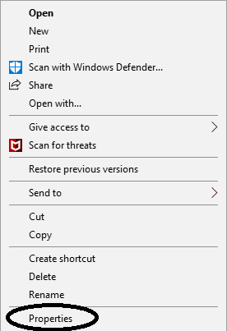
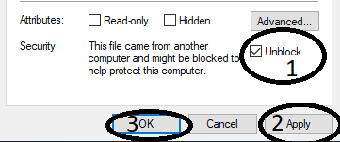
IMPORTANT! READ ALL INSTRUCTIONS BEFORE YOU CONTINUE! Macros cannot be run or utilized as required if this document is located on a network drive such as SharePoint or Share Drive, nor if this was opened directly from your email as an attachment. To use this document, save it to a location on your local machine, such as your Desktop, or Document and you will need to enable Macros by followingthe setps below. Method 1: Towards the top left corner you should see the yellow banner as shown in Figure 1 to the right. Click “Enable Content” to continue. If you attempted Method 1, but a red banner as shown in Figure 2 to the right replaces the yellow banner, you will need to read and follow the steps in Method 2 before you can enable and utilize this document. Method 2: Navigate to where you saved this document on your computer and right click on it, then select “Properties”. See Figure 2 to the right. A window should appear. At the bottom of the properties menu it might suggest that the file could be harmful, and there should be a checkbox the “Unlock” the file. Go ahead and check that box, then click “Apply”, and then click “OK”. See Figure 3 to the right. After you “Unblock” the file, you should close then re-open this document and attempt Method 1 again. | Figure 1

 | Figure 2

 | Figure 3 | Figure 4

